BAYU AGNI MERTA (Gas)
DATE | INV NO. | DESCRIPTIONS | QTY | BILLS | PRICE | TOTAL | Rp12,040,000
14-Mar-2026 | 1895 | LPG 50 KG | 5 | 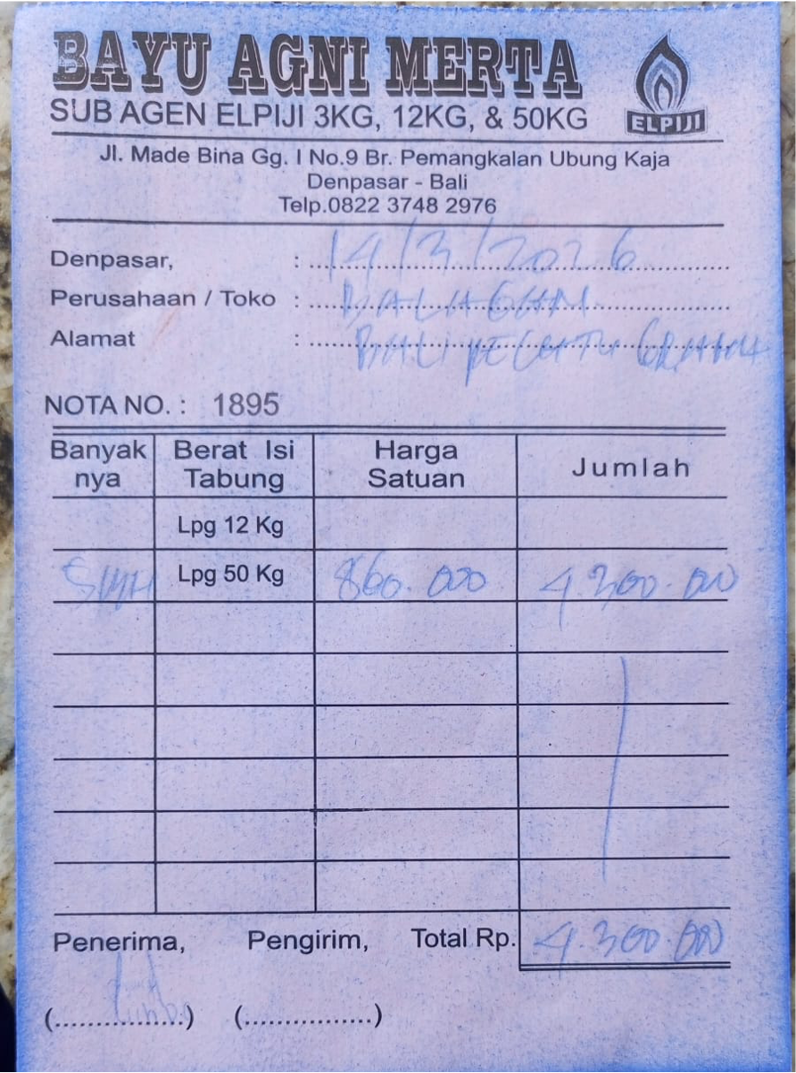 | IDR 860,000 | IDR 4,300,000
26-Mar-2026 | 1904 | LPG 50 KG | 9 | 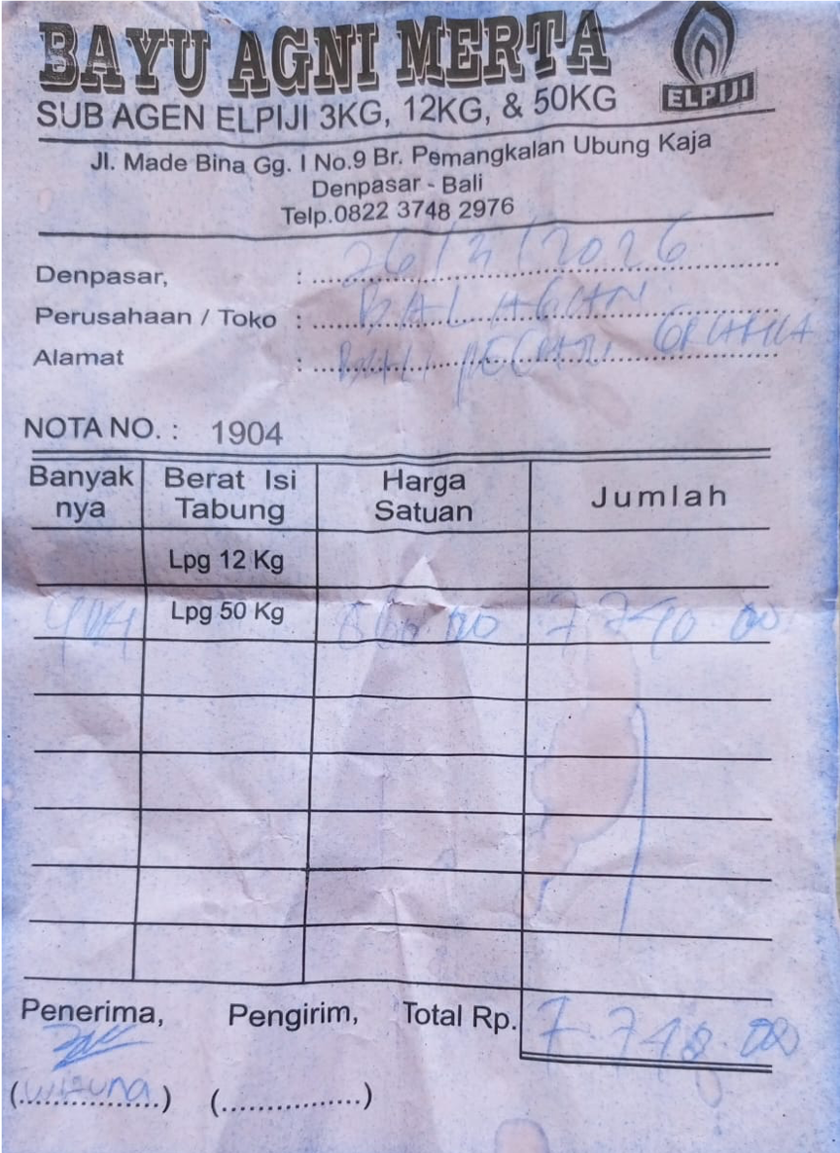 | IDR 860,000 | IDR 7,740,000
 |  |  |  |  |  | IDR -
TOTAL |  |  |  | Rp12,040,000

